Rate Methodology 070121
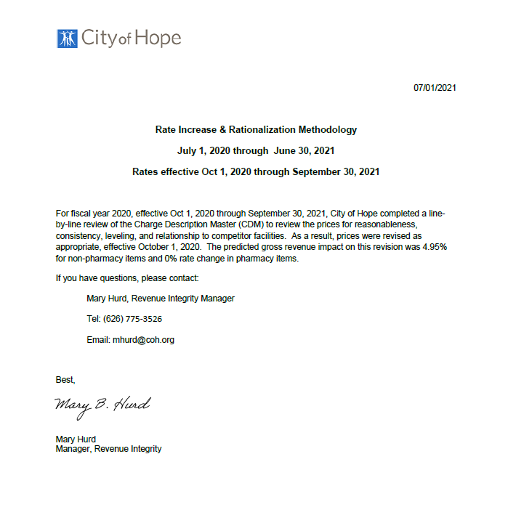
Title | Total
Initial Gross Revenue (pre 10/1/2021) | $2,030,101,543.00
Gross Revenue Increase | $100,536,047.00
Expected Gross Revenue (post 10/1/2021) | $2,130,637,590.00
Gross % Increase | 4.95%

